1. Title Page
Instacart Grocery Basket Analysis

Project Name: Instacart Grocery Basket Analysis
Date: 11.22.22
Analyst Name: Denise Olson

Contents:
Population Flow
Consistency checks
Wrangling steps
Column derivations
Visualizations
Recommendations

Data Citation: The Instacart Online Grocery Shopping Dataset 2017”, Accessed from https://www.instacart.com/datasets/grocery-shopping-2017 on 11/2022.
Note: Cuatomer data and product prices was fabricated for the purpose of this report

2. Population Flow
Title page

Population flow

Exclusion flag
Condition: max_order < 5
Obervations to be removed: 1440295
Final total count of orders_products_all: 30964564

Orders_products_combined
Orders_products_merged
Orders_products_all

Total:32,404,859
Total: 32,434,489
Total:30,964,564

1.) The grey boxes in the first row of the population flow represent the original data sets as they were when you downloaded them. In the Total fields you need to add the count of the rows when you imported the data set into Jupyter. USE: df_(dataframename).shape function ie: df_prod.shape
2.) The second row of boxes (coloured) represents the data sets after you manipulated them, e.g., removed missing values and duplicates. In the Total fields you need to add the count of the rows after conducting these operations. This offers a visual oveview of how the data flows throughout the data consistency checks.
3.) The third row, where also the arrows are coloured, represents the merges you performed between the datasets. In the Total fields you need to add the count of the rows in the merged datasets, so that you end up with the final dataset (in the red box). Keep in mind the final dataset should be without exclusions (based on the exclusion flag).

3. Consistency checks
 |  |  |  |  | Title page
Consistency checks

Dataset | Column | Missing values | Missing values treatment | Duplicates
orders | days_since_prior_order | 206209 | None - left for could be new customers created flag | none
products | product_name | 16 NaN | create new dataset minus missing values
products | prices
products |  | 5 duplicates | removed duplicates | 5 duplicates removed
orders_products_prior | No missing values | none | none | none

ords_prods_merge (updated Task 4.8 from Task 4.9) | prices | Replace outliner 14900 and 99999 max price now 25 (more realistic) | Replaced Outliner values with Nan values | 5127 rows updated

customers | first_name | 11259 Nans | none | none
customers

4. Wrangling steps
 |  |  |  |  | Title page
Wrangling steps

Dataset | Columns dropped | Columns renamed | Columns' type changed | Comment/Reason
Orders | eval_set |  |  | Not needed
Orders |  | order_dow-> order_day_of_week |  | more intuitive name
Orders |  |  | order_id to string | int to string
Orders |  |  | user_id to string | object to string
Orders |  |  | order_hour_of_day to int | float to int

ords_prods_merge | eval_set |  |  | Not needed
(task 4.8) | _merge |  |  | Not needed
 | busiest_day |  |  | Not needed
 |  | mean_order-> mean_price |  | more intuitive name

 |  | Fisrt Name-> first name
Customers |  | Surnam-> last name |  | consistent
 |  | Gender->gender
Customers |  | STATE -> state |  | consistent
 |  | Age-> age |  | consistent
Customers |  | n_dependants->num. of dependants |  | consistent
Customers |  | fam_status->marital_status |  | consistent
Customers
Customers |  |  | first_name | objet to string
Customers |  |  | age | int64 to int8
 |  |  | no_of_dependants | int64 to int8
 |  |  | income | int64 to int32

 |  |  | order_number | Reduced to int8
 |  |  | order_day_of_week | Reduced to int8
 |  |  | order_hour_of_day | Reduced to int8
 |  |  | add_to_cart_order | Reduced to int8
 |  |  | reordered | Reduced to int8
 |  |  | aisle_id | Reduced to int16
 |  |  | department_id | Reduced to int8
 |  |  | prices | Reduced to float16
 |  |  | days_since_last_order | Reduced to float16
 |  |  | avg_price | Reduced to float16
 |  |  | median_order_frequency | Reduced to float16

5. Column derivations
Column derivations and aggregations

Dataset | New column | Column/s it was derived from | Conditions | Code
Orders_prod_merge | price_range | prices | If price <= 5, it will be labeled a “low-range product.” If price > 5 but <= 15, it will be labeled a “mid-range product.” If price > 15, it will be labeled a “high-range product.” | def price_label(row): if row['prices'] <= 5: return 'Low-range product' elif (row['prices'] > 5) and (row['prices'] <= 15): return 'Mid-range product' elif row['prices'] > 15: return 'High range' else: return 'Not enough data'
 | busiest_day | order_day_of_week | if day 0 - 'busiest day', if day 4 - 'least busy', else-'regularly busy' | result = []
 |  |  |  | for value in df_orders_prod_merge['order_day_of_week']:
 |  |  |  | if value == 0:
 |  |  |  | result.append("Busiest day")
 |  |  |  | elif value == 4:
 |  |  |  | result.append("Least busy")
 |  |  |  | else:
 |  |  |  | result.append("Regularly busy")

 | busiest_days | order_day_of_week | if day 0 - 'busiest day', if day 4 - 'least busy', else-'regularly busy' | result2 = []

 |  |  |  | for value in df_orders_prod_merge['order_day_of_week']:
 |  |  |  | if value in [0,1]:
 |  |  |  | result2.append("Busiest days")
 |  |  |  | elif value in [3,4]:
 |  |  |  | result2.append("Slowest days")
 |  |  |  | else:
 |  |  |  | result2.append("Regularly busy")
 | busiest_period_of_day | order_hour_of_day | if hour of day <=16 and >=9, then 'most orders', if hour of day <6 then 'fewest orders', else - 'average orders'. | result3 = []

 |  |  |  | for value in df_orders_prod_merge['order_hour_of_day']:
 |  |  |  | if value>=9 and value<=16:
 |  |  |  | result3.append("Most orders")
 |  |  |  | elif value<=6:
 |  |  |  | result3.append("Fewest orders")
 |  |  |  | else:
 |  |  |  | result3.append("Average orders")
 | max_order | user_id, order_number | maximum number of orders | ords_prods_merge['max_order'] = ords_prods_merge.groupby(['user_id'])['order_number'].transform(np.max)
 | loyalty_flag | max_order | If max_order <= 10, it will be labeled a “New customer” If max_order >10 but <=40, it will be labeled a “Regular customer” If max_order >40, it will be labeled a “Loyal customer” | ords_prods_merge.loc[ords_prods_merge['max_order'] > 40, 'loyalty_flag'] = 'Loyal customer' ords_prods_merge.loc[(ords_prods_merge['max_order'] <= 40) & (ords_prods_merge['max_order'] > 10), 'loyalty_flag'] = 'Regular customer' ords_prods_merge.loc[ords_prods_merge['max_order'] <= 10, 'loyalty_flag'] = 'New customer'
 | mean_order | user_id, prices | average prices of products ordered per user | ords_prods_merge['mean_order'] = ords_prods_merge.groupby(['user_id'])['prices'].transform(np.mean)
 | spending_flag | mean_order | If avg_price<10, it will be labeled a “Low spender” If avg_price >=10, it will be labeled a “High spender” | ords_prods_merge.loc[ords_prods_merge['mean_order'] <10, 'spending_flag'] = 'Low spender' ords_prods_merge.loc[ords_prods_merge['mean_order'] >=10, 'spending_flag'] = 'High spender'
 | median_days_since_previous_order | user_id, days_since_prior_order | median number of days btwn orders per user | ords_prods_merge['median_days_since_previous_order'] = ords_prods_merge.groupby(['user_id'])['days_since_prior_order'].transform(np.median)
 | frequency_flag | median_days_since_previous_order | If median_order_frequency >20, it will be labeled a “Non-frequent customer” | ords_prods_merge.loc[ords_prods_merge['median_days_since_previous_order']>20, 'Frequency_flag'] = 'Non-frequent customer'
 |  |  | If median_order_frequency >10 but <=20, it will be labeled a “Regular customer” | ords_prods_merge.loc[(ords_prods_merge['median_days_since_previous_order']>10) & (ords_prods_merge['median_days_since_previous_order']<=20), 'Frequency_flag'] = 'Regular customer'
 |  |  | Ifmedian_order_frequency<=10, it will be labeled a “Frequent customer” | ords_prods_merge.loc[ords_prods_merge['median_days_since_previous_order']<=10, 'Frequency_flag'] = 'Frequent customer'

ords_prods_merge_flag

6. Visualizations
 |  |  |  |  |  |  |  |  | Title page

Visualisations

KEY QUESTIONS
Q1. The sales team needs to know what the busiest days of the week and hours of the day are (i.e., the days and times with the most orders) in order to schedule ads at times when there are fewer orders.

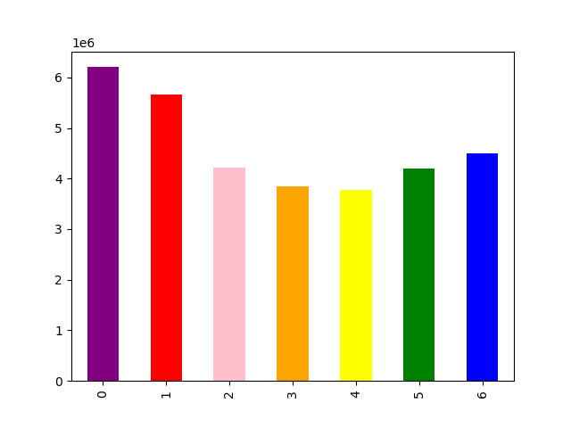


LEGEND
0 = Saturday
1 = Sunday
2 = Monday
3 = Tuesday
4 = Wednesday
5 = Thursday
6 = Friday

This bar chart represents the days of the weeks when orders are placed. The busiest days are Saturday, Sunday, and Friday
This histogram represents what hours orders are being placed hourly.
The busiest hours of the day are between 8am and 7pm.

Recommendaton: Place ads outside of busy days and hours to enourage additonal spending

Q2. Are there certain times of the day when people spend higher amounts of money, this can help determine this might help determine the type of products they advertise at these times.



This line chart shows spending habits for products purchased each hour
of the day. More products are purchased from 4am to 8am.

Recommendation: Ads should be placed for higher products during 4am and 8am to increase sales for these items.

Q3. Instacart has a lot of products with different price tags. Marketing and sales want to use simpler price range groupings to help direct their efforts.

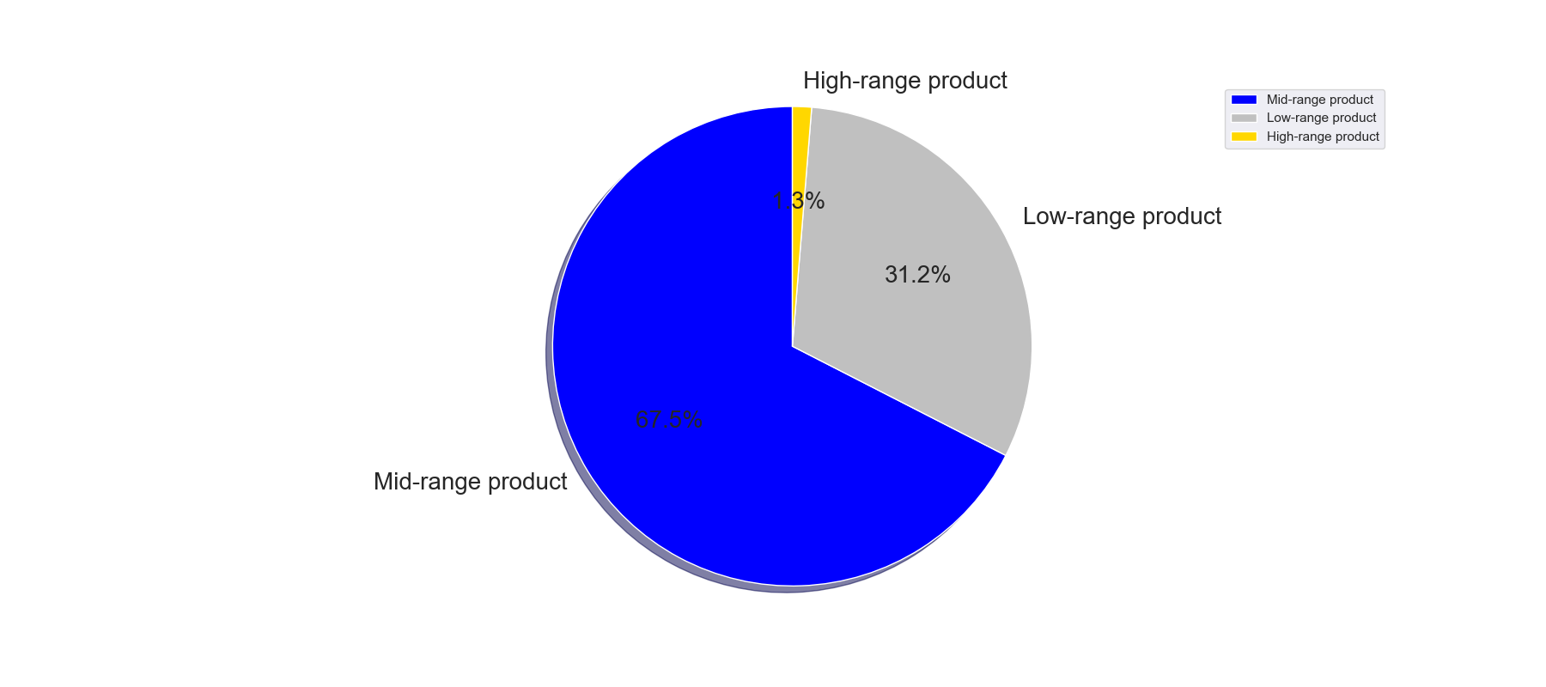

Price ranges were sorted by low-range, mid-range and high-range product categories. Pie Chart
displays the proportions of each category.
If product is $5 it is considered low range product
If product price is > $5 but <= $15 mid range product
If product price is > $15 it is considered high range product

Q4. Are there certain types of products that are more popular than others? The marketing and sales teams want to know which departments have the highest frequency of product orders.

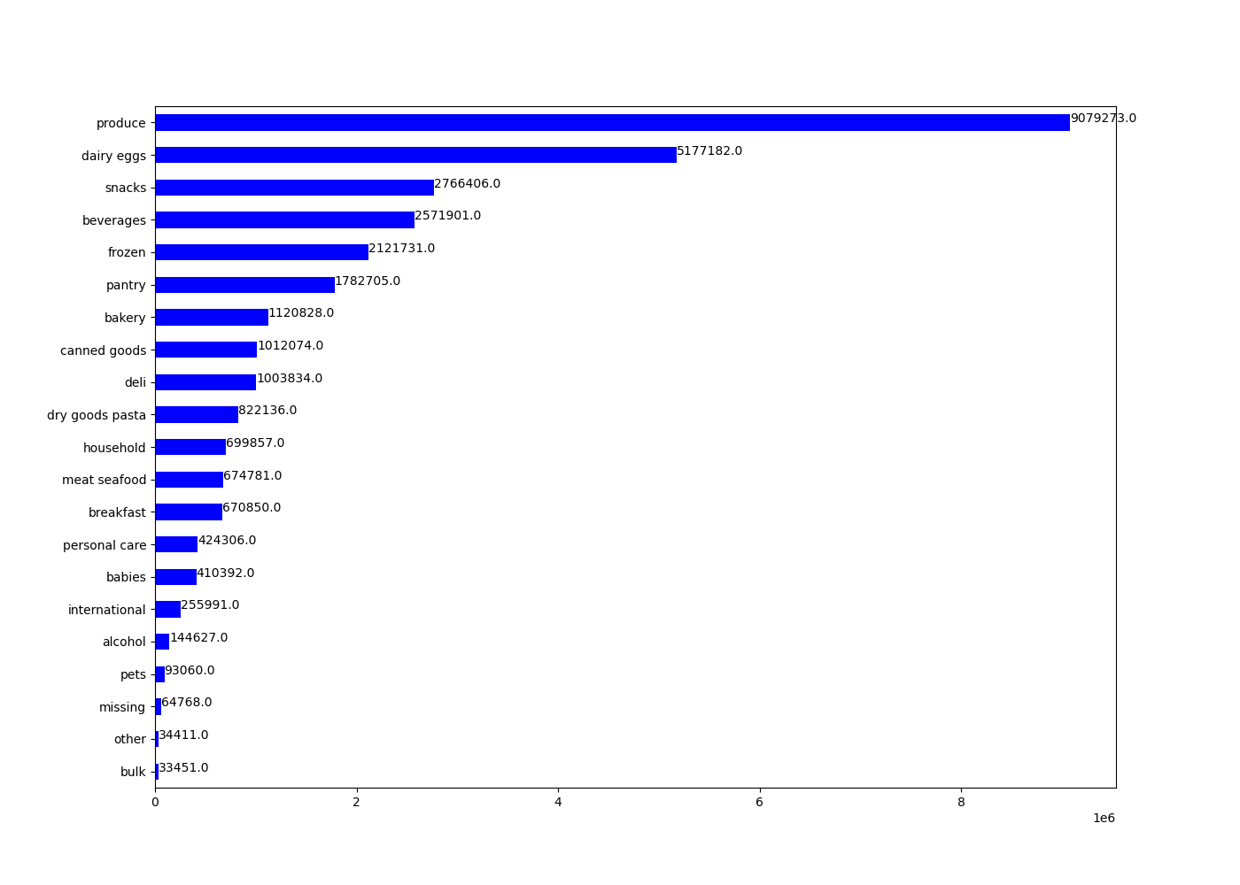

This chart shows the amount of products ordered from each department.
Top 5 product departments with highest frequenc of product orders are produce, dairy eggs, snacks, beverages, and frozen.

Recommendation: Marketing can focus on the top 5 product departments but also can try to use marketing ads to increase sales of some lower departments to help with sales.

Q5. The marketing and sales teams are particularly interested in the different types of customers in their system and how their ordering behaviors differ.
For example:
a. What’s the distribution among users in regards to their brand loyalty (i.e., how often do they return to Instacart)?
b. Are there differences in ordering habits based on a customer’s loyalty status?
c. Are there differences in ordering habits based on a customer’s region?
d. Is there a connection between age and family status in terms of ordering habits?

Q5a. What’s the distribution among users in regards to their brand loyalty (i.e., how often do they return to Instacart)?

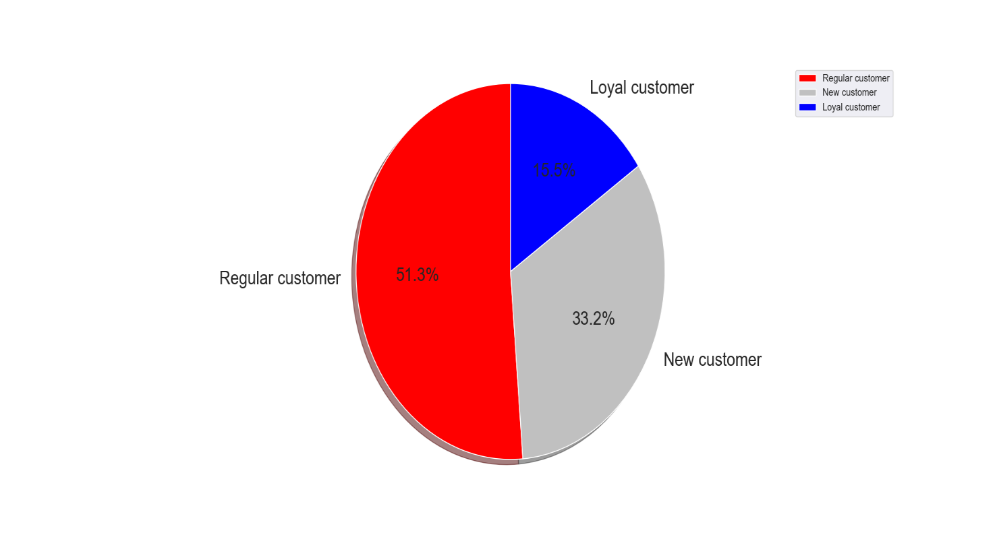
The Pie Chart represents the distribution
of customers based on brand (Instacart) loyatly.
Customers are ranked as New, Regular and Loyal
based on:
Max oder <= 10 = New Customer
Max order >10 but <= 40 = Regular Customer
Max order > 40 = Loyal Customer

Distribution for loyalty:
Regular customer 15,876,776
Loyal customer 10,284,093
New customer 6,243,990

Recommendation: Marketing should focus advertisements to regular and new customers to increase max ordersfor them to become loyal customers.

Q5b. Are there differences in ordering habits based on a customer’s loyalty status?

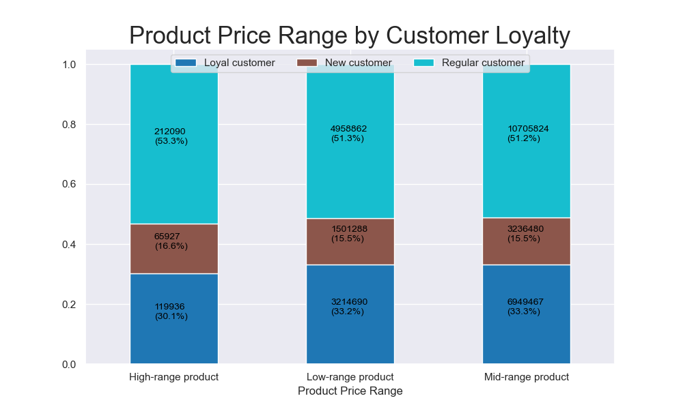

This graph reprents spending habits of customers based
on loyatly status (Loyal, New, Regular) customers, within 3
product ranges (High, Low, Mid) range products.
Regular and Loyal customers spend more in product price ranges
of Mid and Low range products.

 | prices |  |  |  | median_days_since_previous_order
 |  | mean | min | max |  | mean | min | max
 | loyalty_flag |  |  |  | loyalty_flag
 | Loyal customer | 7.773438 | 1 | 25 | Loyal customer | 5.171875 | 0 | 14
 | New customer | 7.800781 | 1 | 25 | New customer | 18.03125 | 0 | 30
 | Regular customer | 7.796875 | 1 | 25 | Regular customer | 10.609375 | 0 | 30
The table above shows order frequency based on customer loyalty
as well as average, minimum, and maximum prices of items
purchased based on customer loyalty.
Based on table above, Loyal customers have fewer days between orders
and a maximum of 14 days between orders. New and regular customers
have longer periods between orders.

Recommendation: New and Regular customers make up majority of product purchases, but longer periods between orders. Marketing can send more notifications and advertisements
to these groups to try to encourage more frequent ordering.

Q5C. Are there differences in ordering habits based on a customers region?
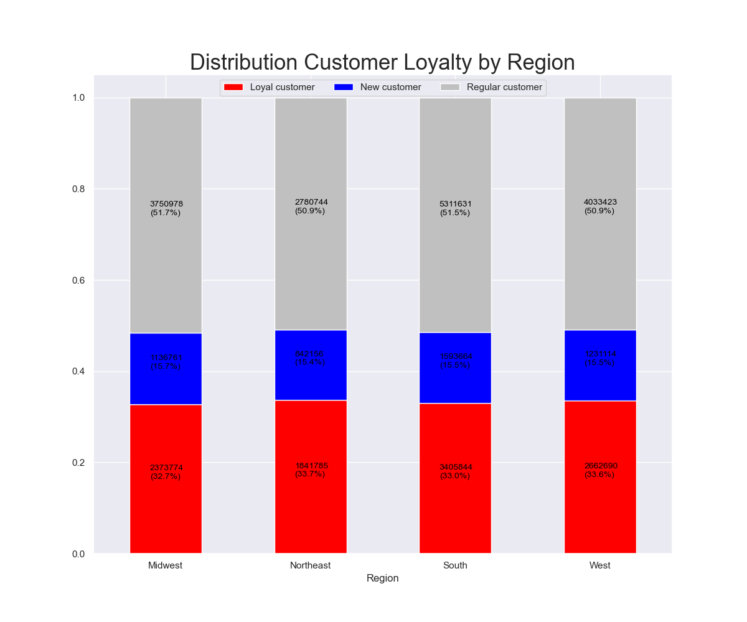
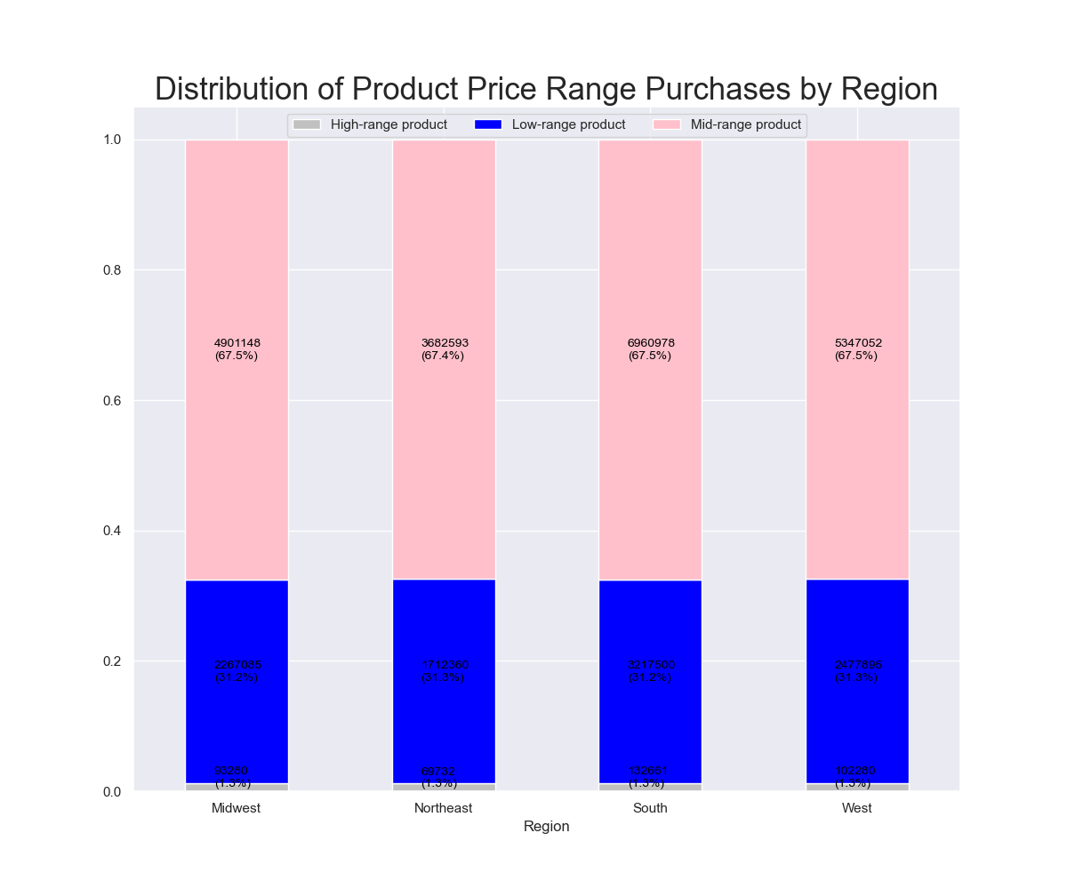

Totals By Region:
* Midwest 7597325
* Northeast 5722736
* South 10791885
* West 8292913

This stacked bar chart represents customer loyalty in each region of the United States.
The distribution across the regions are almost the same.
This stacked bar chart represents customer spending habits among the 4 regions.
The distribution across the reigons are almost the same.

Recommendation: The number of customers and sales across regions corresponds to the population size of the regions. Marketing ads can be targeted to increase the customer base across all 4 regions.

Q5d. Is there a connection between age and family status in terms of ordering habits?

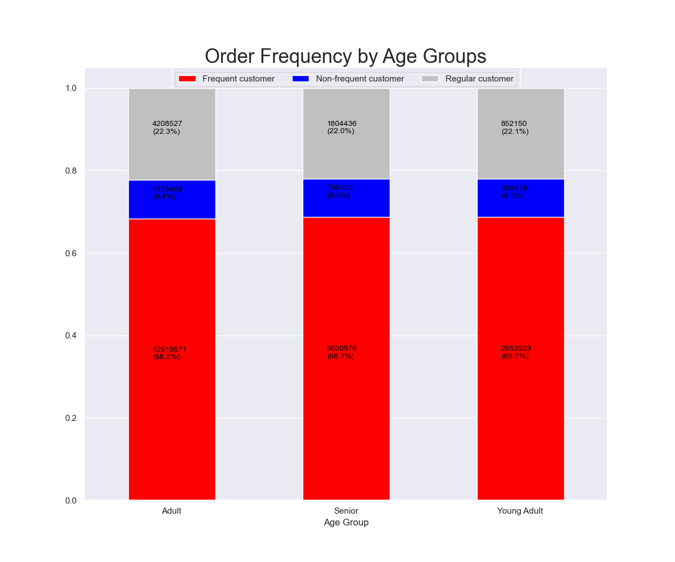
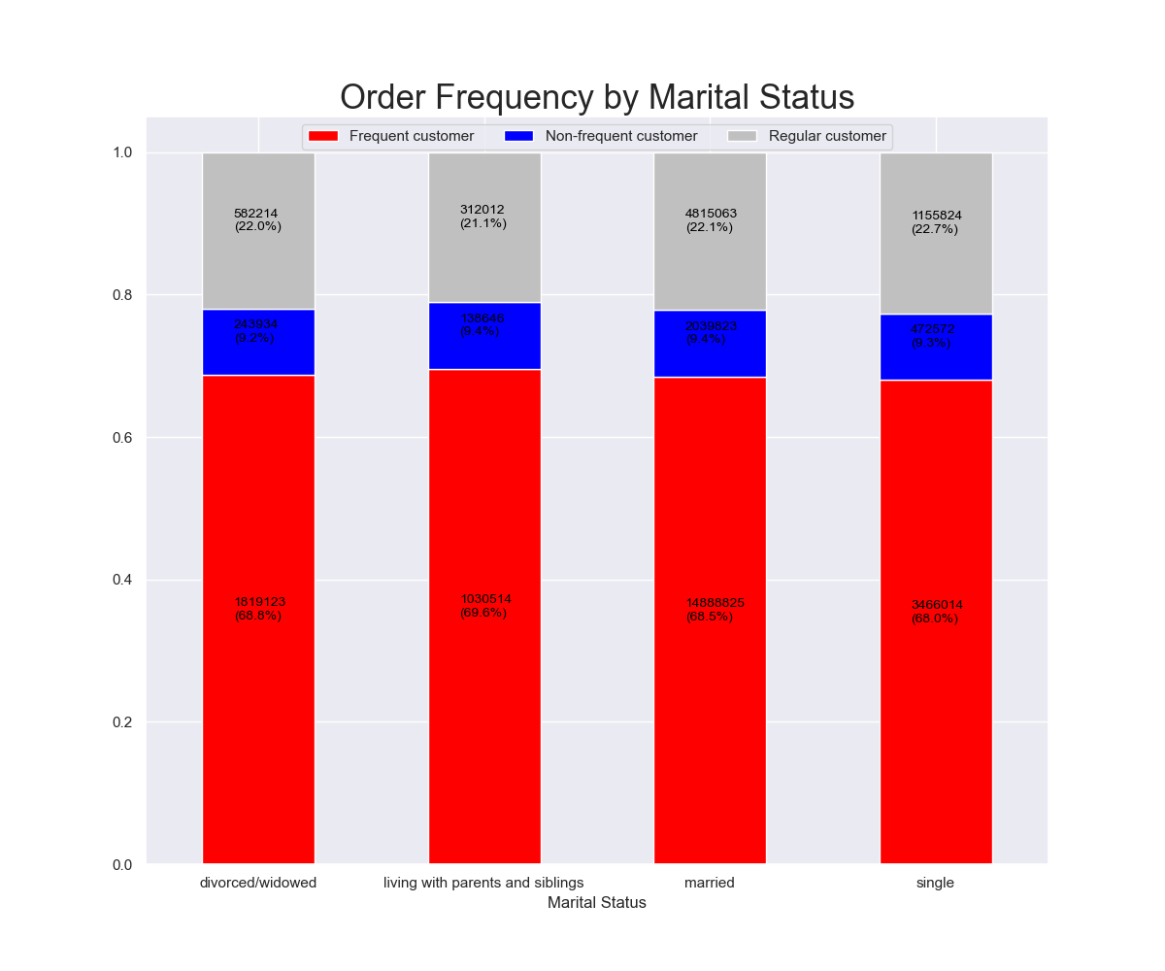

The above stacked bar chart shows order frequency by age groups.
The distribution among each group is nearly the same.
Age Group is defined by:
Age <= 25 = Young Adult
Age > 25 and <65 = Adult
Age >= 65 = Senior
This stacked bar chart represents spendng habits between marital/family status.
The distribution among each group is nearly the same.

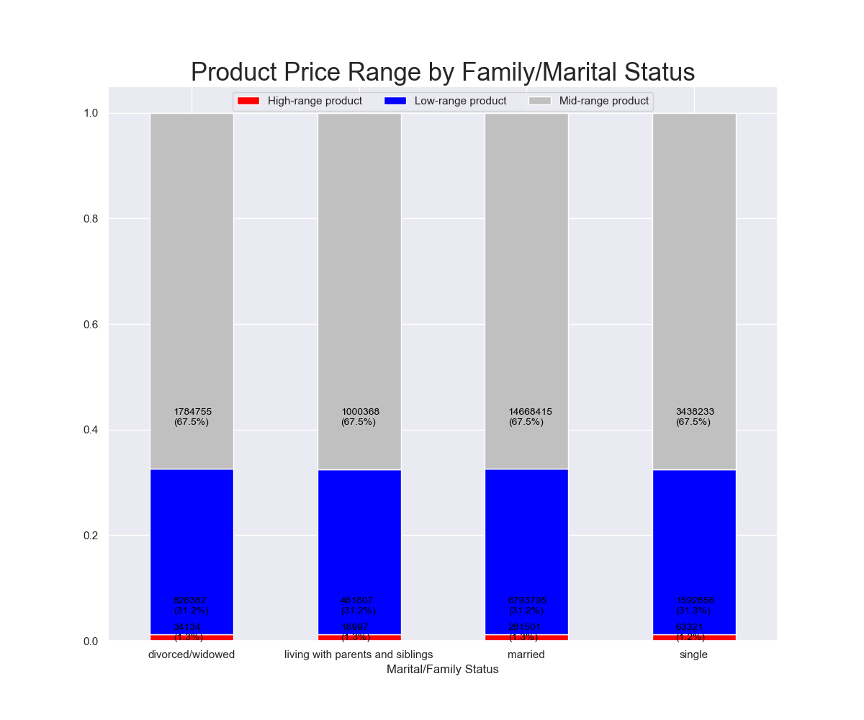
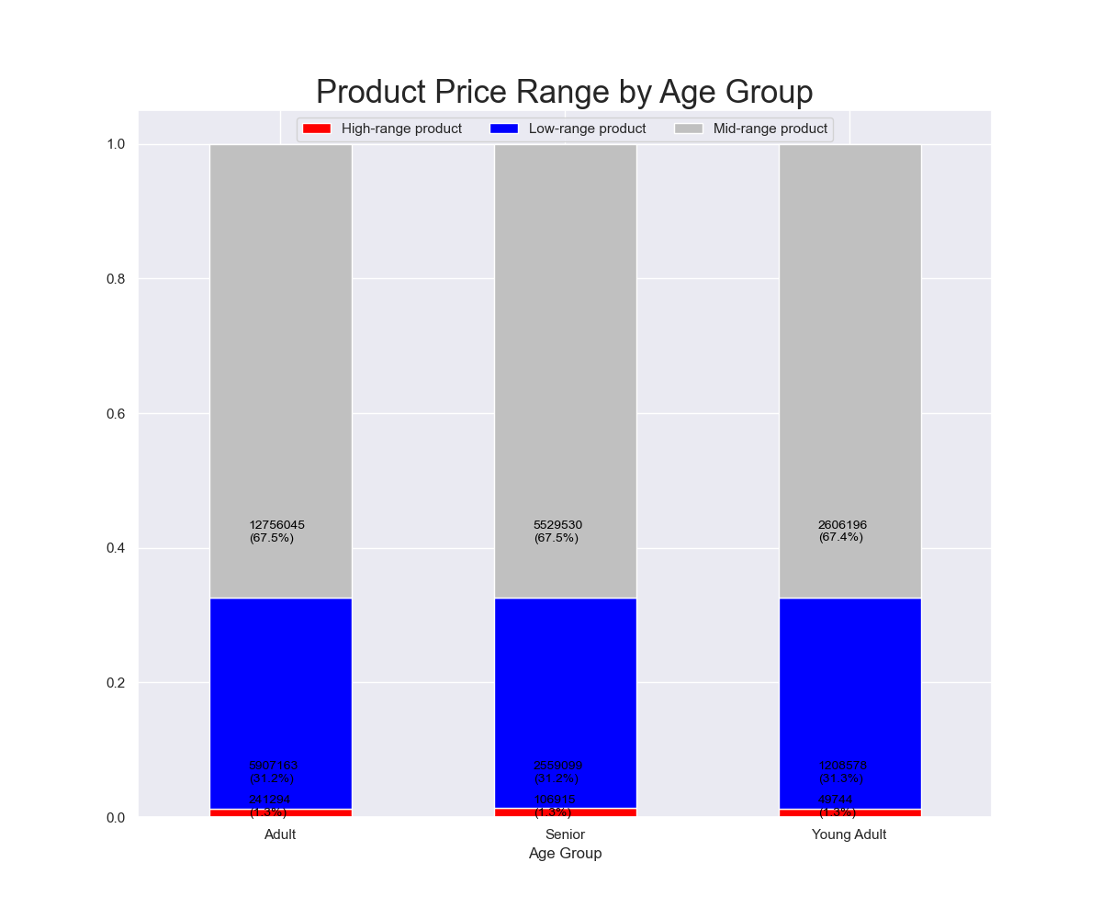

This stacked bar chart represents spending habits by age group. The distribution among the age groups are nearly the same.
This stacked bar chart represents spending habits by maritial / family status. The distribution among the age groups are nearly the same.

Recommedation: The connection between age and marital status in terms of odering habit is that the distribution among the groups are nearly the same for spending habits and product prices. To try to increase ordering
of different products, could have target ads marketing the low and higher range products to try to increase sales across each age and marital status group.

Q6. What different classifications does the demographic informatin suggest? Age? Income? Certain types of goods? Family status ?

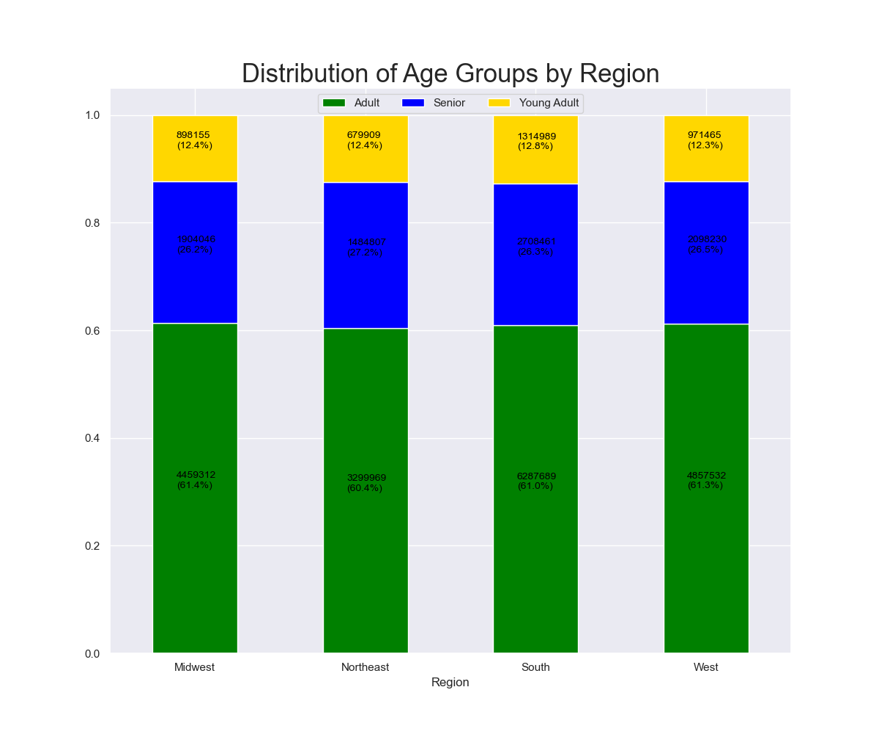
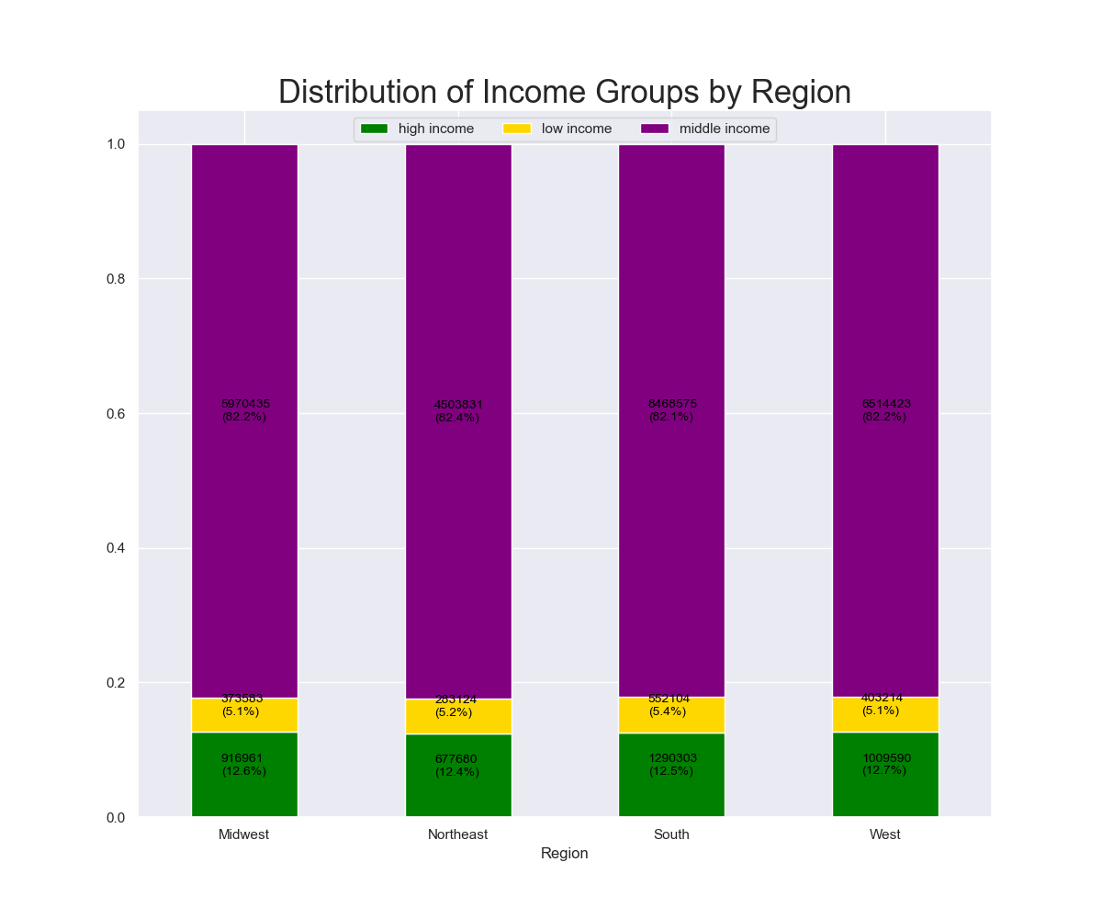

This This stacked bar chart represents the distribution of age groups for each region. The distribution
of age groups across each region is nearly the same.
This stacked bar chart represents different (high,low,middle) income groups within the regions of US. Distribution of income groups is nearly the same.
Income Groups:
Income > $150,000 = High Income
Income < $40,000 = Low Income
Income > $40,000 <= $150,000 = Middle Income

This stacked bar chart represents product price-range purchases in each region.
The distribution of spending habits in each region is nearly the same.

Recommendation: Increase ads for high-range products to customers who are higher or middle income to increase sales in this product range. Marketing can also run target ads to specific income groups to increase product price range sales.

Q7. What differences can you find in ordering habits of different customer profiles?

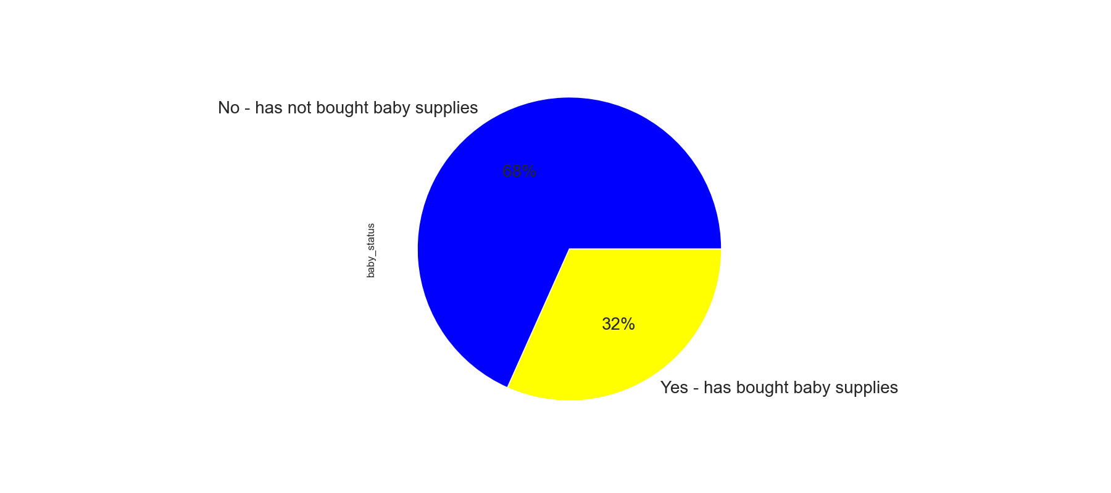
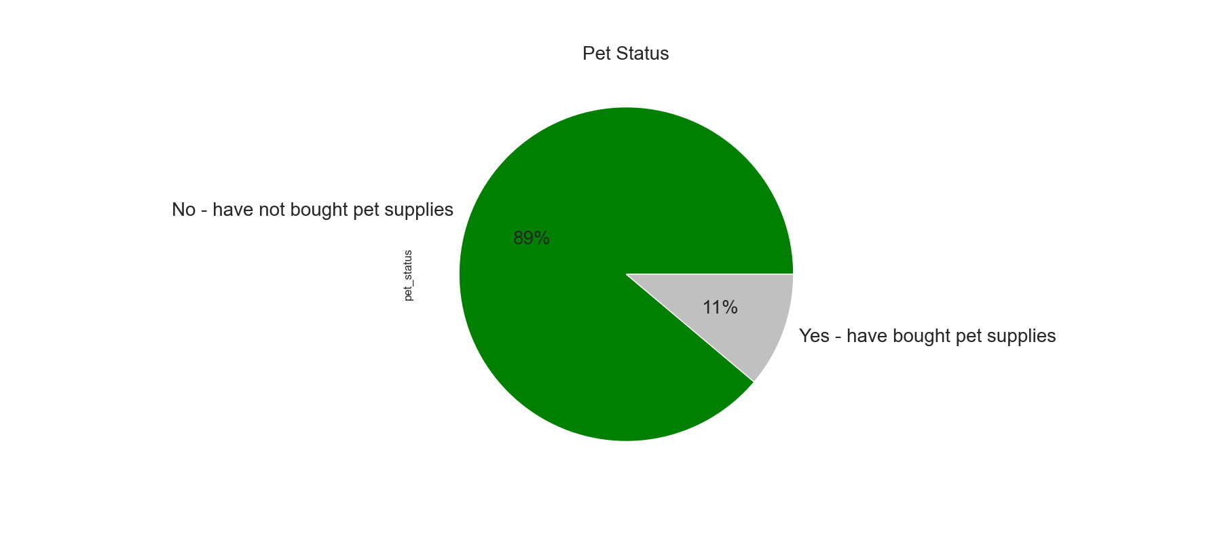

The above pie chart shows consumers ordeing habits of pet supplies.
11% have purchased and 89% have not purchased pet supplies.
The above pie chart shows consumers ordeing habits of baby supplies.
32% have purchased and 68% have not purchased baby supplies

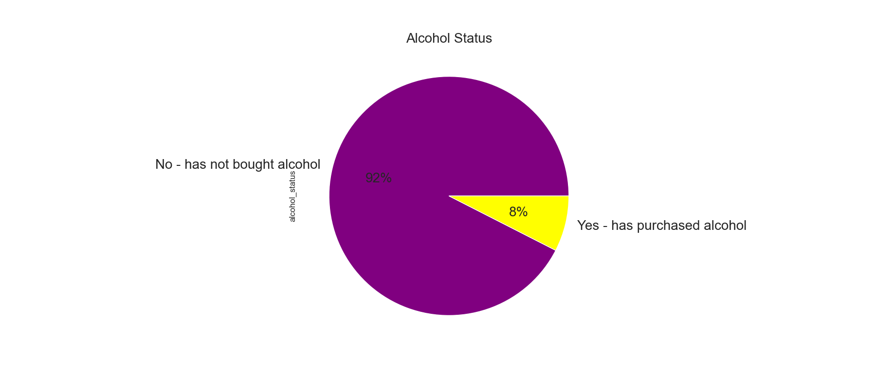

The above pie chart shows consumers ordeing habits of alchohol.
8% have purchased and 92% have not purchased alchohol.

Recommendation: The above pie charts shows ordering habits of different customer profiles in different departments (baby, pets and alcohol).
Create target Ads for departments that have a history of purchasing from departmetns to try to increase purchases.

7. Recommendations
 |  | Title page

Recommendations

In this tab you should include any recommendations you would made to Instcart in terms of their marketing strategy based on the questions posed in the brief. Every key question has been covered in the Tasks of the Exercises - here you need to add an item - a visualisation or table/crosstable that is showing the answer in the data, acompanied by a comment from you. Please, list the questions below and add the answer underneath.

Question | Answer
Key Question 1 : The sales team needs to know what the busiest days of the week and hours of the day are (i.e., the days and times with the most orders) in order to schedule ads at times when there are fewer orders.
 | Recommendation: Ads to encourage ordering should be placed outside these busy hours and days.
Key Question 2: Are there certain times of the day when people spend higher amounts of money, this can help determine this might help determine the type of products they advertise at these times.
 | Recommendation: Ads should be placed for higher products during 4am and 8am to increase sales for these items.
Key Question 3: Instacart has a lot of products with different price tags. Marketing and sales want to use simpler price range groupings to help direct their efforts.
 | Recommendation: Marketing can focus on the top 5 product departments but also can try to use ads to increase sales of some lower departments like alcohol and personal care.
Key Question 4: Are there certain types of products that are more popular than others? The marketing and sales teams want to know which departments have the highest frequency of product orders.
 | Recommendation: Top 5 producs sold are produce, dairy eggs, snacks beverages and frozeng goods. Marketing can continue to focus on these top 5 departments, should also try to use ads to increase sales of lower departments like alcohol and personal care.
Key Question 5: The marketing and sales teams are particularly interested in the different types of customers in their system and how their ordering behaviors differ. For example:
 | a. What’s the distribution among users in regards to their brand loyalty (i.e., how often do they return to Instacart)?
 | Recommendation: Marketing can focus on new and regular customers to increase sales for them to become loyal customers.
 | b. Are there differences in ordering habits based on a customer’s loyalty status?
 | Recommendation: The majority of customers are "New" and "Regular" customers making product purchases but not consistent. Target marketing could be done to these groups to encourage regular ordering habits.
 | c. Are there differences in ordering habits based on a customer’s region?
 | Recommendation: The number of customers and sales across regions corresponds to the population size of the regions. Marketing ads can be targeted to increase the customer base across all 4 regions.
 | d. Is there a connection between age and family status in terms of ordering habits?
 | Recommendation:To increase customer base, ads could be targeted towards those who are single or divorced/widowed or young adult based on assumptions that those groups may be most open to forming new habits like using instacart for grocery needs rather than traditional methods

Key Question 6: What different classifications does the demographic information suggest? Age? Income? Certain types of goods? Family status?
 | Recommendation: The different classifications of demographic informaion suggest Distribution of Age groups and Income groups across regions are fairly consistent.
 | The Distribution of Product purchases and spending habits across each region is nearly the same, with Mid range products most widely purchased.
 | Increase ads for high-range products to customers who are higher or middle income to increase sales in this product range. Marketing can also run target ads to specific income groups to increase product price range sales.
Key Question 7: What differences can you find in ordering habits of different customer profiles? Consider the price of orders, the frequency of orders, the products customers are ordering, and anything else you can think of.
 | Recommendation: Create target Ads for departments that have a history of purchasing from departmetns to try to increase purchases.
 | The pie charts shows ordering habits of different customer profiles in different departments (baby, pets and alcohol).

